Sheet2
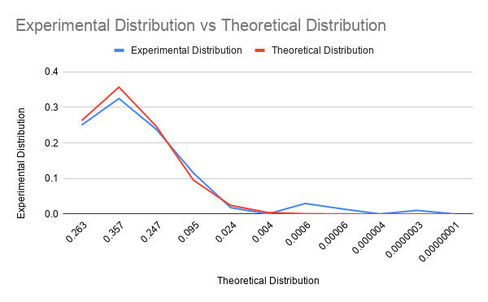
Theoretical Distribution | Experimental Distribution
0.263 | 0.2503
0.357 | 0.3249
0.247 | 0.2384
0.095 | 0.1151
0.024 | 0.0177
0.004 | 0
0.0006 | 0.0295
0.00006 | 0.0141
0.000004 | 0
0.0000003 | 0.01
0.00000001 | 0

